grafico Markov e MTTF
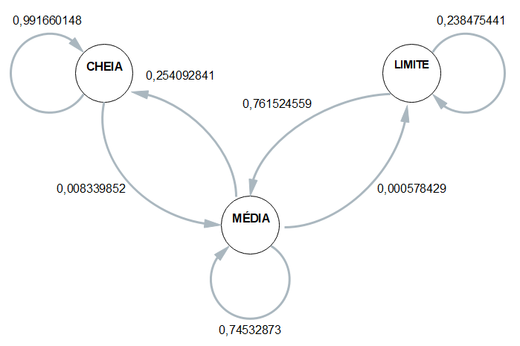
 | ESP1 | ESP2 | ESP3 | ESP4 | MÉDIA
CC | 0.99099099099 | 0.99056603774 | 0.99145299145 | 0.99363057325 | 0.99166014836
CM | 0.009009009009 | 0.0094339622642 | 0.008547008547 | 0.0063694267516 | 0.0083398516429
CB | 0 | 0 | 0 | 0 | 0

MC | 0.31707317073 | 0.26950747095 | 0.17275747508 | 0.25703324808 | 0.25409284121
MM | 0.68235961429 | 0.72993912562 | 0.82668881506 | 0.74232736573 | 0.74532873018
MB | 0.00056721497448 | 0.0005534034311 | 0.00055370985604 | 0.00063938618926 | 0.00057842861272

BC | 0 | 0 | 0 | 0 | 0
BM | 0.86764705882 | 0.81481481481 | 0.5 | 0.86363636364 | 0.76152455932
BB | 0.13235294118 | 0.18518518519 | 0.5 | 0.13636363636 | 0.23847544068

 | Esp1 | Esp2 | Esp3 | Esp4 |  | média
Hora Inicial | 10:13:00 | 10:17:00 | 10:22:00 | 10:29:00 |  | 10:20:15
Hora Limite 2,8 | 12:33:00 | 12:40:00 | 12:46:00 | 12:48:00 |  | 12:41:45
Hora Final | 12:38:39 | 12:42:48 | 12:48:02 | 12:53:26 | MTTF | 12:45:44
total de horas até 2,8 | 2:20:00 | 2:23:00 | 2:24:00 | 2:19:00 | 2:21:30 | 2:21:30

